COVER
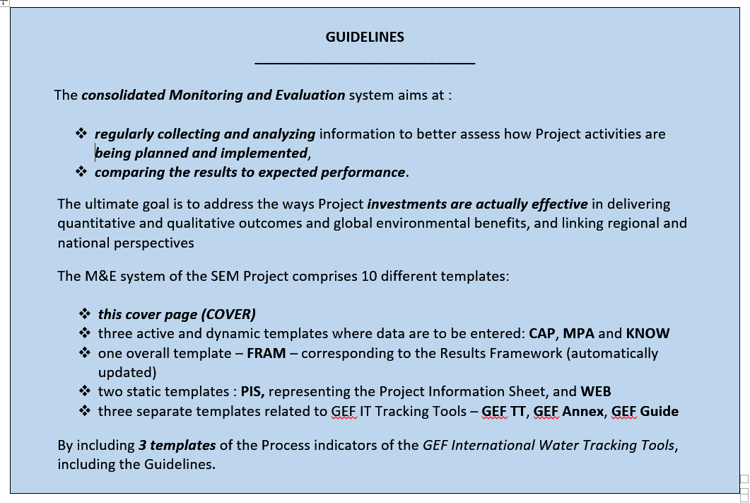

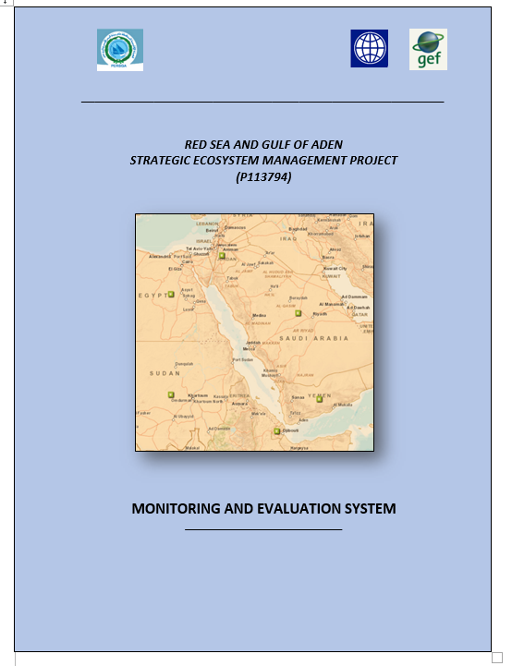

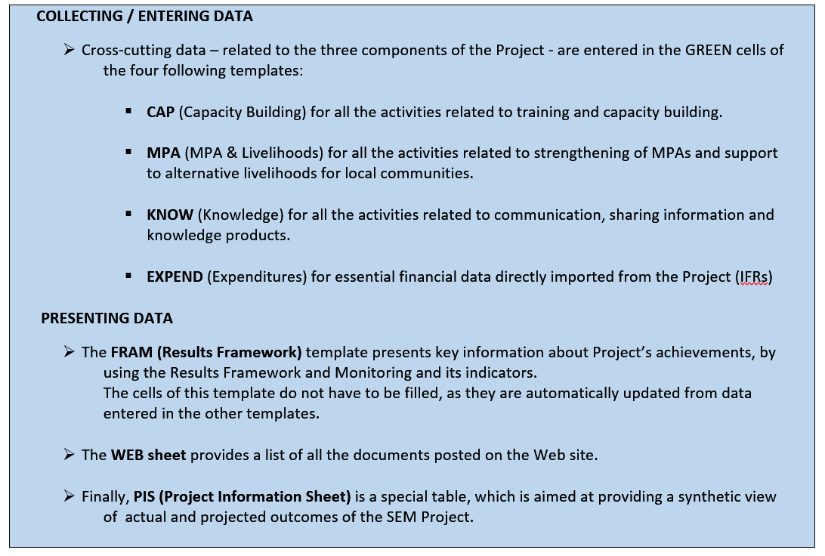

Expend
FINANCIAL PERFORMANCE & EXPENDITURES |  |  |  | (source: Project IFRs)

 | Component 1: Strengthenining Marine management concept in MPAs
Budget lines | Category | Y 1 | Y 2 | Y 3 | Y 4 | TOTAL | Cumulative Expenditure Dec 2015 | % Actual Expenditures Dec 2015 | Total Expected Dec 2015 | % Expected Dec 2015 | Cumulative Expenditure Dec 2016 | % Actual Expenditures Dec 2016 | Total Expected Dec 2016 | % Expected Dec 2016 | Cumulative Expenditure Dec 2016 | % Actual Expenditures Dec 2016 | Total Expected Dec 2016 | % Expected Dec 2016
21.01/ 21.02 | Consultancy | 95000 | 35000 | 0 | 0 | 130000
21.03/21.04/21.07/21.08 | Training | 70000 | 105000 | 105000 | 20000 | 300000
21.05 | Consult./Workshops |  | 10000 | 10000 | 10000 | 30000
21.06 | Goods/works | 0 | 75000 | 115000 | 50000 | 240000
21.09 | Contingency | 10000 | 15000 | 15000 | 10000 | 50000
TOTAL |  | 175000 | 240000 | 245000 | 90000 | 750000 | 146441 | 19.5 | 415000 | 55.3 | 0 | 0 | 660000 | 88 | 0 | 0 | 750000 | 100

 | Component 2: Strengthenining Coastal Communities
Budget lines | Category | Y 1 | Y 2 | Y 3 | Y 4 | TOTAL | Cumul Expend Dec 2015 | % Expenditure | Total Expected Dec 2015 | % Expected Dec 2015 | Cumulative Expenditure Dec 2016 | % Actual Expenditures Dec 2016 | Total Expected Dec 2016 | % Expected Dec 2016 | Cumulative Expenditure Dec 2016 | % Actual Expenditures Dec 2016 | Total Expected Dec 2016 | % Expected Dec 2016
22.01,02,.04,06,07 | Consultancy | 100000 | 30000 | 20000 | 0 | 150000
21.03/21.04/21.07/ | Training | 70000 | 95000 | 90000 | 15000 | 270000
22.09 | Goods/works | 0 | 100000 | 140000 | 140000 | 380000
TOTAL |  | 170000 | 225000 | 250000 | 155000 | 800000 | 157636 | 19.7 | 395000 | 49.4 | 0 | 0 | 645000 | 80.625 | 0 | 0 | 0 | 0

 | Component 3: Environmental Socioeconomic monitoring
Budget lines | Category | Y 1 | Y 2 | Y 3 | Y 4 | TOTAL | Cumul Expend Dec 2015 | % Expenditure | Total Expected Dec 2015 | % Expected Dec 2015 | Cumulative Expenditure Dec 2016 | % Actual Expenditures Dec 2016 | Total Expected Dec 2016 | % Expected Dec 2016 | Cumulative Expenditure Dec 2016 | % Actual Expenditures Dec 2016 | Total Expected Dec 2016 | % Expected Dec 2016
23.01,03 | Consultancy | 55000 | 35000 | 0 | 0 | 90000
23.02,07 | Training | 60000 | 90000 | 100000 | 90000 | 340000
23.04,06 | Goods | 0 | 280000 | 130000 | 0 | 410000
23.05 | Non-consult. Service | 0 | 120000 | 120000 | 120000 | 360000
TOTAL |  | 115000 | 525000 | 350000 | 210000 | 1200000 | 166785 | 13.9 | 640000 | 53.3 | 0 | 0 | 990000 | 82.5 | 0 | 0 | 0 | 0

 | Component 4: Project Management
Budget lines | Category | Y 1 | Y 2 | Y 3 | Y 4 | TOTAL | Cumul Expend Dec 2015 | % Expenditure | Total Expected Dec 2015 | % Expected Dec 2015 | Cumulative Expenditure Dec 2016 | % Actual Expenditures Dec 2016 | Total Expected Dec 2016 | % Expected Dec 2016 | Cumulative Expenditure Dec 2016 | % Actual Expenditures Dec 2016 | Total Expected Dec 2016 | % Expected Dec 2016
23.01,03 | Consultancy | 46250 | 50750 | 38250 | 50750 | 186000
21.03/21.04/21.07/21.08 | Training | 8000 | 0 | 0 | 0 | 8000
21.05 | Travel costs | 14000 | 14000 | 14000 | 14000 | 56000
TOTAL |  | 68250 | 64750 | 52250 | 64750 | 250000 | 64816 | 25.9 | 133000 | 53.2 | 0 | 0 | 185250 | 74.1 | 0 | 0 | 0 | 0
 |  |  |  |  | TOTAL | 3000000 | 535678 | 17.9

 | EXPECTED AND ACTUAL EXPENDITURES |  |  | (Percentage, Dec 2015)
 |  | Compon. 1 | Compon. 2 | Compon. 3 | Compon. 4 | TOTAL
 | Expected | 55.3 | 49.4 | 53.2 | 53.2 | 53.2
 | Actual | 19.5 | 19.7 | 13.9 | 25.9 | 17.9

Web
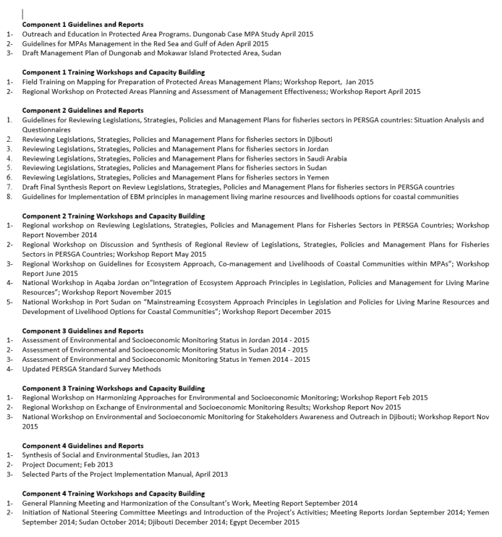
LIST OF INITIAL DOCUMENTATION POSTED ON THE WEB SITE
 | Creation of Web site (Yes=1; No=0) | 0
 | Number of documents posted: | 0
 | Number of Web site visitors | 0

GEF Guide
